PCR Results 06112021
Reactions run in 10ul of of SYBR Green Mastermix with 0.5uM of each primer and 5% DMSO.

Mouse ID | Prep | Extraction Date | Target | AVG CT | Norm CT | Fold decrease | Quant | AVG Tm | Target | AVG CT | Norm CT | Fold decrease | Quant | AVG Tm | Target | AVG CT | AVG Tm
Sample 1 | Saline | 6282021 | glycoProt B | 23.4825 | 8.618 | 0.3397 | 26800.413824 | 84.649 | IE1 | 22.933 | 8.0685 | 0.5703 | 1437070.5849 | 81.262 | Actin | 14.8645 | 80.806
Sample 2 | Saline | 6282021 | glycoProt B | 23.646 | 9.1815 | -0.2238 | 24358.200446 | 84.779 | IE1 | 23.5095 | 9.045 | -0.4062 | 998490.98927 | 81.327 | Actin | 14.4645 | 80.871
Sample 3 | Saline | 6282021 | glycoProt B | 23.577 | 9.207 | -0.2493 | 25360.475958 | 84.714 | IE1 | 23.479 | 9.109 | -0.4702 | 1017912.1542 | 81.327 | Actin | 14.37 | 80.806
Sample 4 | Saline | 6282021 | glycoProt B | 23.6005 | 8.863 | 0.0947 | 25014.573354 | 84.779 | IE1 | 23.3285 | 8.591 | 0.0478 | 1119418.4227 | 81.327 | Actin | 14.7375 | 80.871
Sample 5 | Saline | 6282021 | glycoProt B | 23.4655 | 8.919 | 0.0387 | 27067.995774 | 84.649 | IE1 | 22.927 | 8.3805 | 0.2583 | 1442526.8317 | 81.392 | Actin | 14.5465 | 80.741
 |  |  |  | 23.5543 | 8.9577 |  | 25720.331871 |  |  | 23.2354 | 8.6388 |  | 1203083.7966 |  |  | 14.5966

Sample 6 | 0.1 mg/kg GCV | 6282021 | glycoProt B | 21.8035 | 7.619 | 1.3387 | 71494.346367 | 84.909 | IE1 | 23.627 | 9.4425 | -0.8037 | 927072.92976 | 81.327 | Actin | 14.1845 | 80.871
Sample 7 | 0.1 mg/kg GCV | 6282021 | glycoProt B | 24.0495 | 10.2435 | -1.2858 | 19241.410278 | 84.453 | IE1 | 23.188 | 9.382 | -0.7432 | 1223296.1249 | 81.392 | Actin | 13.806 | 80.871
Sample 8 | 0.1 mg/kg GCV | 6282021 | glycoProt B | 20.8805 | 6.7095 | 2.2482 | 122610.90556 | 84.909 | IE1 | 23.2445 | 9.0735 | -0.4347 | 1180412.0928 | 81.4575 | Actin | 14.171 | 80.9365
Sample 9 | 0.1 mg/kg GCV | 6282021 | glycoProt B | 22.582 | 9.3675 | -0.4098 | 45361.603693 | 84.779 | IE1 | 23.0345 | 9.82 | -1.1812 | 1347834.7525 | 81.4575 | Actin | 13.2145 | 80.871
Sample 10 | 0.1 mg/kg GCV | 6282021 | glycoProt B | 22.066 | 7.9495 | 1.0082 | 61326.644101 | 84.779 | IE1 | 23.073 | 8.9565 | -0.3177 | 1315455.3149 | 81.3925 | Actin | 14.1165 | 80.871
Sample 11 | 0.1 mg/kg GCV | 6282021 | glycoProt B | 21.843 | 10.7175 | -1.7598 | 69862.898523 | 84.714 | IE1 | 23.4525 | 12.327 | -3.6882 | 1035092.7102 | 81.327 | Actin | 11.1255 | 80.871
 |  |  |  | 22.204083333 | 8.76775 |  | 64982.968088 |  |  | 23.269916667 | 9.8335833333 |  | 1171527.3208 |  |  | 13.436333333
 |  |  |  |  |  | 0.79846417491 |  |  |  |  |  | 0.075733124905
Sample 12 | 1 mg/kg GCV | 6282021 | glycoProt B | 23.695 | 8.911 | 0.0467 | 23670.585474 | 84.779 | IE1 | 22.869 | 8.085 | 0.5538 | 1496350.386 | 81.327 | Actin | 14.784 | 80.871
Sample 13 | 1 mg/kg GCV | 6282021 | glycoProt B | 24.569 | 8.9905 | -0.0328 | 14203.252244 | 84.649 | IE1 | 23.5005 | 7.922 | 0.7168 | 1004182.9657 | 81.327 | Actin | 15.5785 | 80.871
Sample 14 | 1 mg/kg GCV | 6282021 | glycoProt B | 22.1605 | 6.8705 | 2.0872 | 58031.674195 | 84.714 | IE1 | 24.2425 | 8.9525 | -0.3137 | 628466.66952 | 81.327 | Actin | 15.29 | 80.871
Sample 15 | 1 mg/kg GCV | 6282021 | glycoProt B | 24.325 | 9.275 | -0.3173 | 16380.041585 | 84.779 | IE1 | 25.574 | 10.524 | -1.8852 | 271051.49063 | 81.392 | Actin | 15.05 | 80.871
Sample 16 | 1 mg/kg GCV | 6282021 | glycoProt B | 22.8595 | 7.4435 | 1.5142 | 38570.822497 | 84.779 | IE1 | 25.437 | 10.021 | -1.3822 | 295549.95666 | 81.392 | Actin | 15.416 | 80.806
Sample 17 | 1 mg/kg GCV | 6282021 | glycoProt B | 24.2195 | 9.0455 | -0.0878 | 17421.714804 | 84.714 | IE1 | 24.4225 | 9.2485 | -0.6097 | 560929.46033 | 81.327 | Actin | 15.174 | 80.611
Sample 18 | 1 mg/kg GCV | 6282021 | glycoProt B | 23.757 | 8.8235 | 0.1342 | 22828.290999 | 84.779 | IE1 | 24.096 | 9.1625 | -0.5237 | 689393.5249 | 81.4575 | Actin | 14.9335 | 80.741
Sample 19 | 1 mg/kg GCV | 6282021 | glycoProt B | 24.6555 | 8.9315 | 0.0262 | 13503.119155 | 84.714 | IE1 | 23.3755 | 7.6515 | 0.9873 | 1086676.6869 | 81.392 | Actin | 15.724 | 80.741
Sample 20 | 1 mg/kg GCV | 6282021 | glycoProt B | 23.608 | 9.225 | -0.2673 | 24905.175131 | 84.779 | IE1 | 24.097 | 9.714 | -1.0752 | 688958.24206 | 81.392 | Actin | 14.383 | 80.806
 |  |  |  | 23.761 | 8.6128888889 |  | 25501.630676 |  |  | 24.179333333 | 9.0312222222 |  | 746839.93141 |  |  | 15.148111111
 |  |  |  |  |  | 0.39986253811 |  |  |  |  |  | 0.42096644206
Sample 21 | 10 mg/kg GCV | 6282021 | glycoProt B | 22.5545 | 7.8895 | 1.0682 | 46096.494515 | 84.779 | IE1 | 24.079 | 9.414 | -0.7752 | 696835.55212 | 81.392 | Actin | 14.665 | 80.871
Sample 22 | 10 mg/kg GCV | 6282021 | glycoProt B | 23.6495 | 8.2555 | 0.7022 | 24308.429433 | 84.779 | IE1 | 23.2935 | 7.8995 | 0.7393 | 1144439.7927 | 81.4575 | Actin | 15.394 | 80.871
Sample 23 | 10 mg/kg GCV | 6282021 | glycoProt B | 24.276 | 13.957 | -4.9993 | 16855.871042 | 84.779 | IE1 | 23.8585 | 13.5395 | -4.9007 | 800964.83585 | 81.4575 | Actin | 10.319 | 80.871
Sample 24 | 10 mg/kg GCV | 6282021 | glycoProt B | 24.8365 | 9.8285 | -0.8708 | 12147.762711 | 84.779 | IE1 | 23.695 | 8.687 | -0.0482 | 888099.24325 | 81.523 | Actin | 15.008 | 80.871
Sample 25 | 10 mg/kg GCV | 6282021 | glycoProt B | 24.1615 | 10.4955 | -1.5378 | 18022.345038 | 84.779 | IE1 | 24.781 | 11.115 | -2.4762 | 447271.98822 | 81.392 | Actin | 13.666 | 80.871
Sample 26 | 10 mg/kg GCV | 6282021 | glycoProt B | 24.6025 | 9.735 | -0.7773 | 13927.895512 | 84.714 | IE1 | 24.311 | 9.4435 | -0.8047 | 601856.14629 | 81.392 | Actin | 14.8675 | 80.871
Sample 27 | 10 mg/kg GCV | 6282021 | glycoProt B | 24.7765 | 9.5285 | -0.5708 | 12581.26471 | 84.649 | IE1 | 23.554 | 8.306 | 0.3328 | 970817.95525 | 81.392 | Actin | 15.248 | 80.871
 |  |  |  | 24.122428571 | 9.9556428571 |  | 20562.866137 |  |  | 23.938857143 | 9.7720714286 |  | 792897.93052 |  |  | 14.166785714
 |  |  |  |  |  | 0.29654991773 |  |  |  |  |  | 0.23859947503

 |  |  | Gly Pro B | Ct |  |  | LOG Qua | Tm |  | IE1 |  |  | Ct | LOG Qua | Tm
 |  |  | 3mill CMV | 14.97 |  |  | 6.4771212547 | 84.844 |  | 3mill CMV |  |  | 21.678 | 6.4771212547 | 80.481
 |  |  | 300K CMV | 20.063 |  |  | 5.4771212547 | 84.779 |  | 300K CMV |  |  | 26.136 | 5.4771212547 | 80.285
 |  |  | 30K CMV | 23.401 |  |  | 4.4771212547 | 84.779 |  | 30K CMV |  |  | 28.2135 | 4.4771212547 | 80.35
 |  |  | 3000 CMV | 26.844 |  |  | 3.4771212547 | 84.518 |  | 3000 CMV |  |  | 32.901 | 3.4771212547 | 80.285
 |  |  | no temp |  |  |  |  |  |  | no temp
Glyco Prot B Standard Curve
IE1 Standard Curve

Fold Expression Data
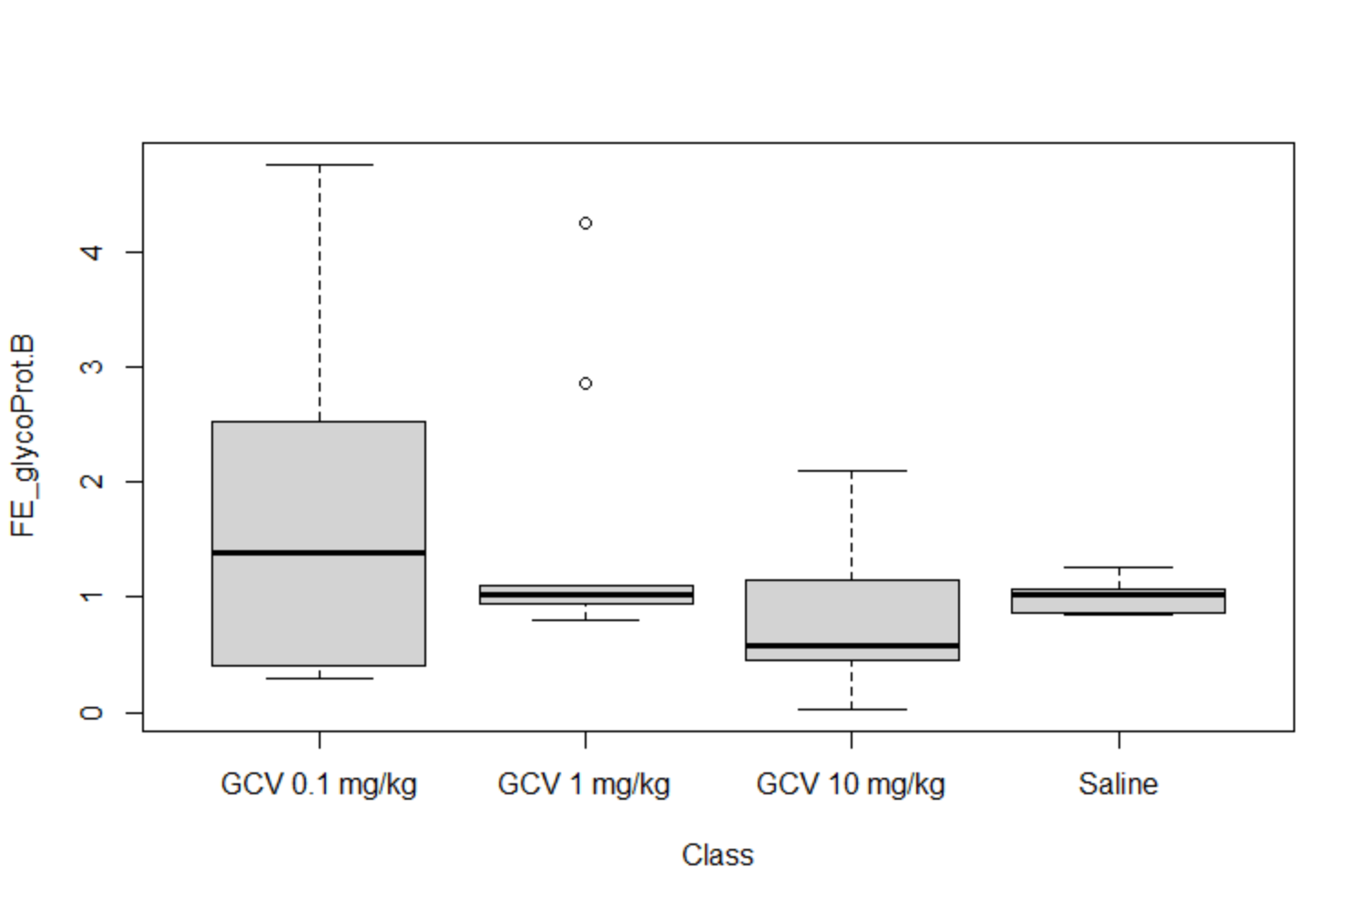
Class | FE_glycoProt B | FE_IE1
Saline | 1.2654934147 | 1.4848323007 | > dat1<-read.delim("ddCt.txt")
Saline | 0.85630698567 | 0.75460836608 | > head(dat1)
Saline | 0.84130451974 | 0.72186451915 | Class FE_glycoProt.B FE_IE1
Saline | 1.0678433332 | 1.0336874268 | 1 Saline 1.2654934 1.4848323
Saline | 1.0271878195 | 1.1960684864 | 2 Saline 0.8563070 0.7546084
GCV 0.1 mg/kg | 2.5292330908 | 0.57287806325 | 3 Saline 0.8413045 0.7218645
GCV 0.1 mg/kg | 0.41014330959 | 0.59741277769 | 4 Saline 1.0678433 1.0336874
GCV 0.1 mg/kg | 4.7508972328 | 0.73984758561 | 5 Saline 1.0271878 1.1960685
GCV 0.1 mg/kg | 0.75272771669 | 0.44098454492 | 6 GCV 0.1 mg/kg 2.5292331 0.5728781
GCV 0.1 mg/kg | 2.0113999807 | 0.80234799258 | >
GCV 0.1 mg/kg | 0.29528909828 | 0.077578462816 | > boxplot(FE_glycoProt.B~Class, data = dat1)
GCV 1 mg/kg | 1.0328995799 | 1.4679471212 | > boxplot(FE_IE1~Class, data = dat1)
GCV 1 mg/kg | 0.97752127024 | 1.6435325168 | >
GCV 1 mg/kg | 4.2492257729 | 0.80457566035 | > kruskal.test(FE_glycoProt.B~Class, data = dat1)
GCV 1 mg/kg | 0.80257048152 | 0.27070623093
GCV 1 mg/kg | 2.8564039136 | 0.38363333744 | Kruskal-Wallis rank sum test
GCV 1 mg/kg | 0.94095654275 | 0.65533296042
GCV 1 mg/kg | 1.0974840706 | 0.69558561378 | data: FE_glycoProt.B by Class
GCV 1 mg/kg | 1.01832636 | 1.982471327 | Kruskal-Wallis chi-squared = 3.355, df = 3, p-value = 0.3401
GCV 1 mg/kg | 0.83087306843 | 0.47460526165
GCV 10 mg/kg | 2.0968156113 | 0.58430761643 | > kruskal.test(FE_IE1~Class, data = dat1)
GCV 10 mg/kg | 1.6269839285 | 1.6693656611
GCV 10 mg/kg | 0.031265166274 | 0.03347667378 | Kruskal-Wallis rank sum test
GCV 10 mg/kg | 0.5468435321 | 0.96714224594
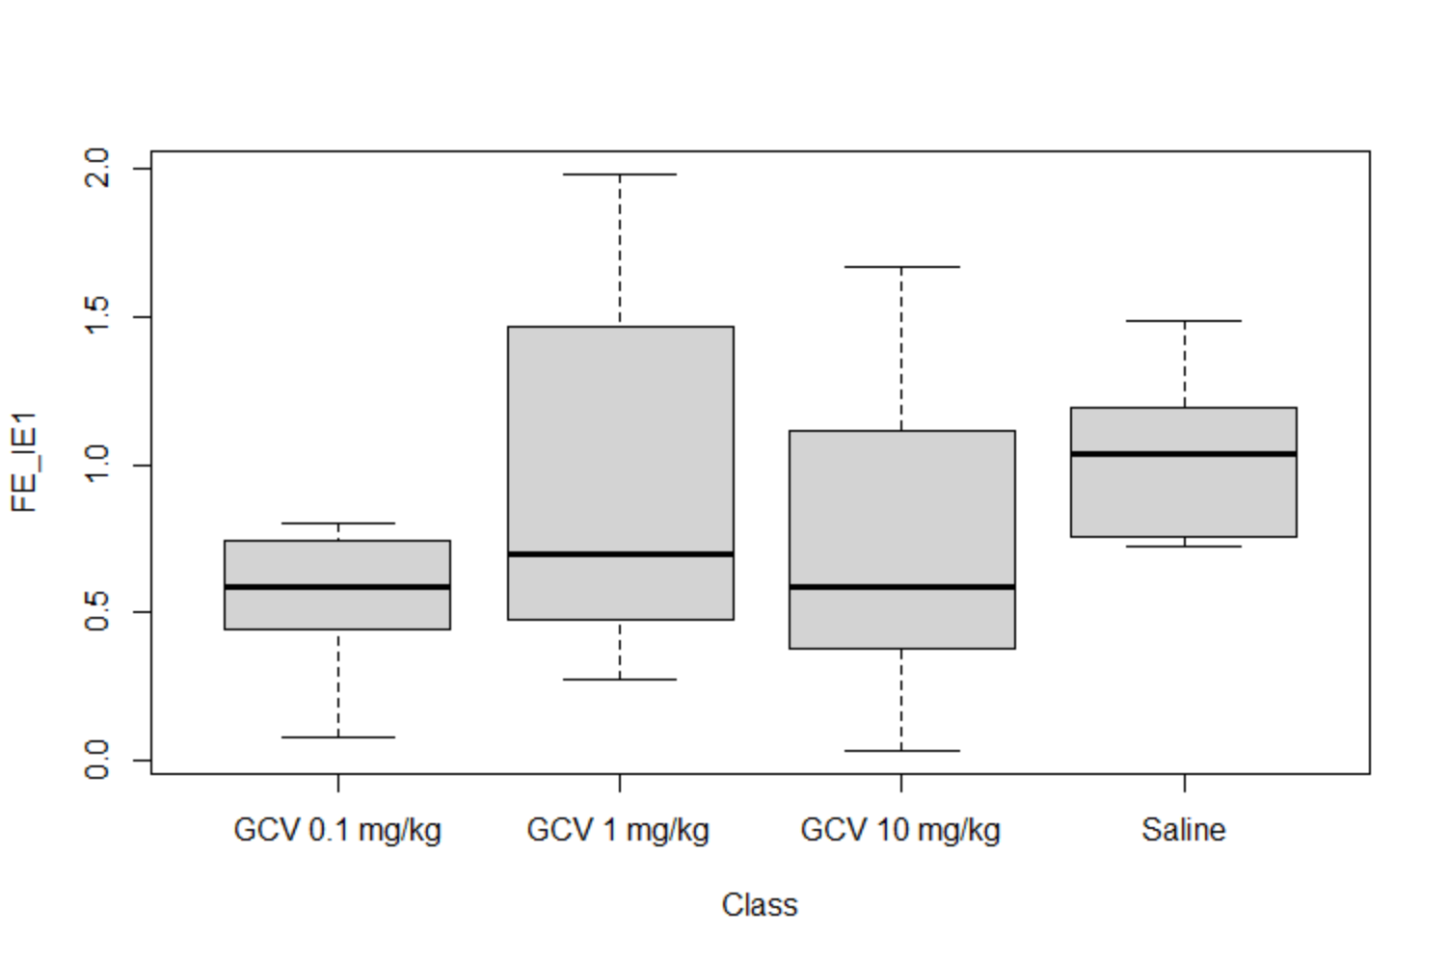
GCV 10 mg/kg | 0.34441025369 | 0.17971715079 | data: FE_IE1 by Class
GCV 10 mg/kg | 0.58345771167 | 0.57248111202 | Kruskal-Wallis chi-squared = 3.8045, df = 3, p-value = 0.2834
GCV 10 mg/kg | 0.67324335952 | 1.2594553703
 |  |  | >
 |  |  | > aov1<-aov(FE_glycoProt.B~Class, data = dat1)
 |  |  | > aov2<-aov(FE_IE1~Class, data = dat1)
 |  |  | > summary(aov1)
 |  |  | Df Sum Sq Mean Sq F value Pr(>F)
 |  |  | Class 3 3.812 1.271 0.991 0.415
 |  |  | Residuals 23 29.495 1.282
 |  |  | > summary(aov2)
 |  |  | Df Sum Sq Mean Sq F value Pr(>F)
 |  |  | Class 3 0.856 0.2854 1.135 0.356
 |  |  | Residuals 23 5.784 0.2515

